coding
Process
 | 1. Make folder and necessary files ( you may use scaffold or simply copy/paste exisiting folder structure)

 | Folder | any , ( name will be become module name
 | Files | __init__.py , __manifest__.py , ir.model.access.csv , security.xml , xxxxxx.py
 |  | __init__.py |  | Define what py files should be imported |  |  |  |  |  |  |  |  | ### refer to [4]
 |  | __manifest__.py |  | Define what other files (csv, xml , other type) , module dependency , module name , author , etc
 |  | ir.model.access.csv |  | Define crud access right per seurity group ( you can use any file name) |  |  |  |  |  |  |  |  | ### refer to [4]
 |  | security.xml |  | Create security group and put record access rule ( you can use any file name) |  |  |  |  |  |  |  |  | ### refer to [4]
 |  | xxxxxx.py |  | Define mode and business logic |  |  |  |  |  |  |  |  | ### refer to [2]
 |  | xxx.xml |  | Define ui and menu structure |  |  |  |  |  |  |  |  | ### refer to [3]

class name
Refer 2-1 what is the meaning of model.Moedel
 | 2. xxxxxxx.py create models structure P93 -

 | import xxxxxx

_name is modle name.
And there are several other special static variables for model definition
refer 2-(2) for other prepared filed definition
 | class Classname(models.Model)

Field definition
refer 2-(3) for other general field definition
 | _name='wc.member'
 | code=fields.Char(string="code", compute="_compute_code")
 | name=fields.Char(string="Title")
 | address1 = fields.Char(xxxxxxx)
 | …
 | @api.depends('name')
business logic
refer p155 for decorater ( @api.depens in this case)
（example : @api.depends is used for compute field )
 | def _compute_code(self):
 | if name:
 | code = name

 | Odoo reference detail
 | https://www.odoo.com/documentation/10.0/reference/orm.html
 | https://www.odoo.com/documentation/10.0/index.html

 | 2-(1) model type
 | models.Model |  |  | >basic model
 | models.TransientModel |  |  | >temporarily data keeping model. Use it for report wizard
 | models.AbstractModel |  |  | >not keep data
 |  |  |  |  |  |  |  | _inherits={'wc.member': 'member_id'}

 | 2-(2) model definition
 | variable |  | note |  |  |  |  |  |  |  |  | how to difine(sample)
 | _name |  | modeld name ( necessary if not inheritance ), In phisical db , the table name will be [farming_farmer] ( dot is converted to [_] ) |  |  |  |  |  |  |  |  | _name='farming.farmer'
 | _description |  | view title |  |  |  |  |  |  |  |  | _description
 | _order |  | display order |  |  |  |  |  |  |  |  | _order = "date desc, name desc"
 | _rec_name |  | if this is refered by Many2one field of other model , this name is used as description. |  |  |  |  |  |  |  |  | _rec_name = 'coin_value'
 | _table |  | pysical tabel name. if not defined , the name is auto created by model name. ex, if [farming.farmer] model , the table name will bbe [farming_farmer] |  |  |  |  |  |  |  |  | _table
 | _sql_constraints |  | constraint , validation |  |  |  |  |  |  |  |  | _sql_constraints = [('unique_code', 'unique(code, company_id)', 'The savings product type code must be unique per branch!')]

 | _inherit |  | difined base model for inherit |  |  |  | refer to [3.inheritance] in details |  |  |  |  | _inherit="mail.thread"
 | _inherits |  | difined base model and linked id for inherit |  |  |  | refer to [3.inheritance] in details |  |  |  |  | _inherits={'wc.member': 'member_id'}

 | 2- (3) field definition , and argument P100-p115

 | Field can be defined with its field name with the type and attribute.
 | ex.
 | code=fields.Char(string="code", compute="_compute_code")
 |  | code | field name , you can set any name except for prepared name , which has special meaning.

 | <special field name , these name is used for specific purpose , so cannot use this for general field>
 | field name |  | note
 | name |  | This [name] field will be displayed on Many2one(refer <field Type for relationship> ) field value in other model's form.
 | state |  | status field. This [state] field is used in case you want to change field readonly depending on [state] value
 |  |  |  | ex. fields.Selection([('aaa','AAA') ,('bbb','BBB'),,]) |  |  |  |  | aaa, bbb is phisical value on db , AAA,BBB is displayed state value in form.
 | sequence |  | use this with [_order]
 | parent_id |  | define both [parent_id] in case this model has hierarcy structure.
 |  |  | parent_id = fields.Many2one('account.analytic.account', ・・・)
 |  |  | child_ids = fields.One2many('account.analytic.account','parent_id',・・・）

 | <field Type>
 | Type |  | note |  |  |  |  |  |  |  |  | how to define (sample)
 | Char |  | text field (xxxxx is field title) |  |  |  |  |  |  |  |  | fields.Char('xxxxxx')
 | Text |  | text field multi line |  |  |  |  |  |  |  |  | fields.Text('xxxxxx')
 | Selection |  | Use for Selection field (drop down field) |  |  |  |  |  |  |  |  | fields.Selection([('(field name)','(display name') ,('field name2','display name2),,])
 |  |  |  |  |  |  |  |  |  |  |  | If you want to add item in this Selection field in inherited model , use [selection_add]. Example is below
 |  |  |  |  |  |  |  |  |  |  |  | payment_type = fields.Selection(selection_add=[('transfer', 'Internal Transfer')])

 | Html |  | HTML type filed |  |  |  |  |  |  |  |  | fields.Html('Field Title')
 | Integer |  | Integer type |  |  |  |  |  |  |  |  | fields.Integer('Field Title')
 | Date |  | In phisical db, UTC time will be stored. When displaying it on form , the time will be converted to local time |  |  |  |  |  |  |  |  | fields.Date('Field Title')
 | Datetime |  | In phisical db, UTC time will be stored. When displaying it on form , the time will be converted to local time |  |  |  |  |  |  |  |  | fields.Datetime('Field Title')
 | Boolean |  | Boolean type |  |  |  |  |  |  |  |  | fields.Boolean('Field Title')
 | Binary |  | Store file encoded in base64 in bytea column |  |  |  |  |  |  |  |  | fields.Binary('Field Title')
 | <relation ship field>
 | Many2one |  | for many-to-one relation |  |  |  | refer to <field type for relationship , and its attribute>
 | Many2many |  | for many-to-many relation |  |  |  | refer to <field type for relationship , and its attribute>
 | One2many |  | for one-to-many relation |  |  |  | refer to <field type for relationship , and its attribute>
 | parent_id |  | for hierarchy relation (refer to self model) |  |  |  | refer to <field type for relationship , and its attribute>

 | <Field Attribute>
 | Field Attribute is difined inside of round bracket of field difinition , ex

 | attribute |  | note |  |  |  |  |  |  |  | how to define (sample)
 | string |  | Title of field [xxx] in form |  |  |  |  |  |  |  | xxx=fields.Char(string='Field Title')
 | default |  | Default value , can set function return value here. |  |  |  |  |  |  |  | xxx=fields.Date('Date',default=get_first_open_date)
 |  |  |  | xxx= fields.Char(default=lambda self: self._get_default_name(),)
 |  |  |  | @api.model
 |  |  |  | def _get_default_name(self):
 |  |  |  | return "test"
 | compute |  | display the value after computed |  |  |  |  |  |  |  | xxx=fields.Date('Date',compute=get_first_open_date , store =True)
 |  |  | (if this attribute set with [store=True] , the data will be stored in phisical db)
 |  |  | (if no set of [store =True] , this field is used as display only field.)
 | inverse |  | Set function if you want to write value on other field by using compute field |  |  |  |  |  |  |  | xxx=fields.Date('Date',compute=get_first_open_date , inverse =set_open_date)
 | translate |  | for multi language
 | help |  | test displayed as tooltip
 | readonly |  | readonly on form . (not readonly on db level) |  |  |  |  |  |  |  | xxx=fields.Date(readonly=True)
 | required |  | required field on form and db |  |  |  |  |  |  |  | xxx=fields.Date(required=True)
 | index |  | create index on this field
 | copy |  | Set False , if this field doesn't want to be copy in case of record duplicate |  |  |  |  |  |  |  | xxx=fields.Date(copy=False)
 | groups |  | set accessible group for this field |  |  |  |  |  |  |  | xxx=fields.Date(groups='base.group_user,base.group_system')
 | states |  | set different attribute depending on [state] field value |  |  |  |  |  |  |  | xxx=fields.Date(states={'done':[('readonly',True)]})
 |  |  |  |  |  |  |  |  |  |  | (in above case, the field is readonly in case [state] is [done])
 | deprecated
 | oldname |  | Copy field value from old name. Use when you want to change field name. |  |  |  |  |  |  |  | xxx=fields.Date(oldname='old field name yyy')

 | <field type for relationship , and its attribute> P105
 | Type |  | how to define (sample)
 | Many2one |  | Many-to-one relationship to other model. Put _id as suffix in field name in common practice for easy understanding this is many2one field
 |  |  | ex. farmer_id=fields.Many2one('master model','field title')
 |  | <Attribute>
 |  | ondelete | ondelete='restrict' |  |  | >> Restrict to be deleted refered model's record. Issue error when you try to delete master record which is refered by this Many2one field.
 |  |  | ondelete='cascade' |  |  | >> If master record which this model refer is deleted , this model record will be deleted also
 |  |  |  |  |  | ex. In case you set this in detail record , and the detail record will be deleted if the header record is deleted.

 |  | context | dictionary of data , meaning furl for the web client views , to carry information when navigation through the relationship , for example , to set default value.(p106 . P122)
 |  | domain | used for filter the records available for the relation field.
 |  |  |  |  |  | ex, ref_id = fields.Many2one('other_model' , domain="[('member_id','=',True)]")
 |  | auto_join | if (auto_join=True) , user can refer related table even if the user who doesn't have read right

(loan information)
Loan no. 12345
member
loan amount
payment terms
 |  | Usually , we use many2one field for reference field
 |  |  |  |  |  |  |  |  | refer to member model

member x
member_id = fields.Many2one('wc.member')
#member is id field for refering wc.member model
loan_amount = fields.Integer()
payment terms=fields.Integer()
10000
10

 | Many2many |  | Many-to-many relation ship

 |  |  | farmer_ids = fields.Many2many(
 |  |  | 'wc.member', |  |  | #related model
 |  |  | 'member_farmer', |  |  | #relation table name( can be blank , if blank the physical relation table name is automatically named)
 |  |  | 'farmer_id', |  |  | #field for this record ( can be blank )
 |  |  | 'member_id') |  |  | #field for other (other model's) record ( can be blank )

 |  | Usually we use this relationship for multi-selectable reference field
(loan information)
Loan no. 12345
member
co-members

member x
 |  |  |  |  |  |  |  |  |  |  | refer to wc.member , and can select multi
comember_ids = field.Many2many('wc.member')
member1
member2
member3

 | One2many |  | One-to-many relationship. Inverse of Many2one relation ship. If model [A] has many-to-one relationship with [B] , [B] has one-to-many relationshipt with [A].
 |  |  | You can skip this relationship difinition on [B] , but if you want to use [A]'s record in [B]'s form , you need to set One2many field difinition on [B]

 |  |  | Usually , we use this relationship for header and detail type table. See below
(header)
Sales no 12345
Total price = 31000 peso
detail_ids = field.One2many('detail' , header_id )

(detail)
line 1 abc1 , 10 , 1000 peso
line 2 abc2 , 100 , 20000 peso
line 3 edf , 50 , 10000peso
 |  |  |  |  |  |  |  |  |  |  |  | many-to-one |  | one-to-many

header_id = fieid.Many2one('header')

 |  |  | farmer_ids = fields.Many2many(
 |  |  | 'wc.member', |  |  | #related model
 |  |  | 'member_farmer', |  |  | #relation table name( can be blank , if blank the physical relation table name is automatically named)
 |  |  | 'farmer_id', |  |  | #field for this record ( can be blank )
 |  |  | 'member_id') |  |  | #field for other (other model's) record ( can be blank )

 | parent_id |  | use it for hierarchy type relationship.
 |  |  | see P109 in detail

 | 3. create view P118-
 | 3-(1) view type
 |  | form view |  | main form for CRUD for related model
 |  | tree view |  | mainly for display record list for related model
 |  | search view |  | search box for related model
 |  | kanban view |  | displya name card type list for related model p185
 |  | other |  | there are other several view type , refer to P142 , 143 p 185
 |  |  |  |  |  |  |  |  |  | Search view
 |  | basic view structure
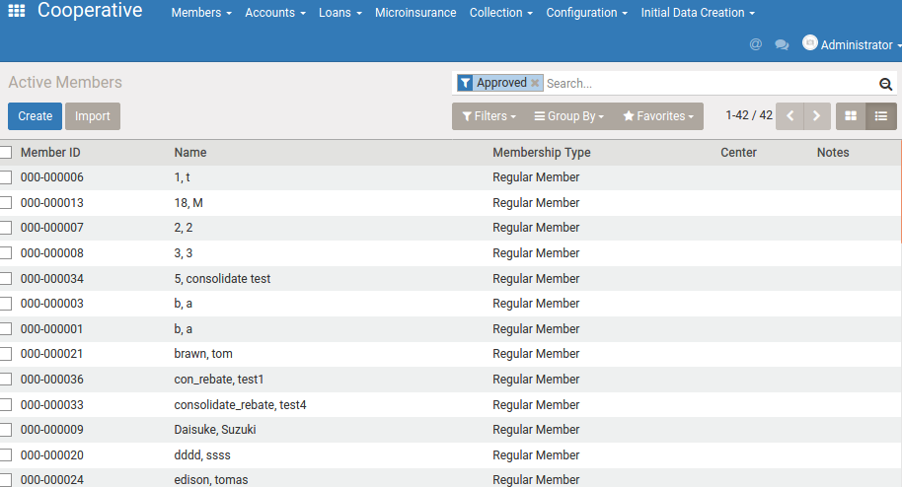

 |  |  |  |  |  |  |  |  |  | switch button for list type view

 |  |  |  |  |  |  |  |  |  | Tree view

 |  |  |  |  |  |  |  |  |  |  |  | form view
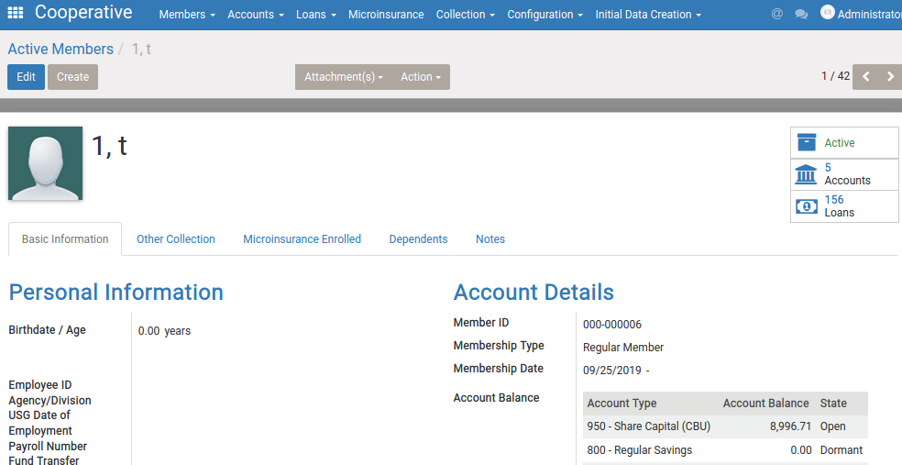

 |  |  |  |  |  |  |  |  |  | move to form by double
 |  |  |  |  |  |  |  |  |  | click , or tap [create]

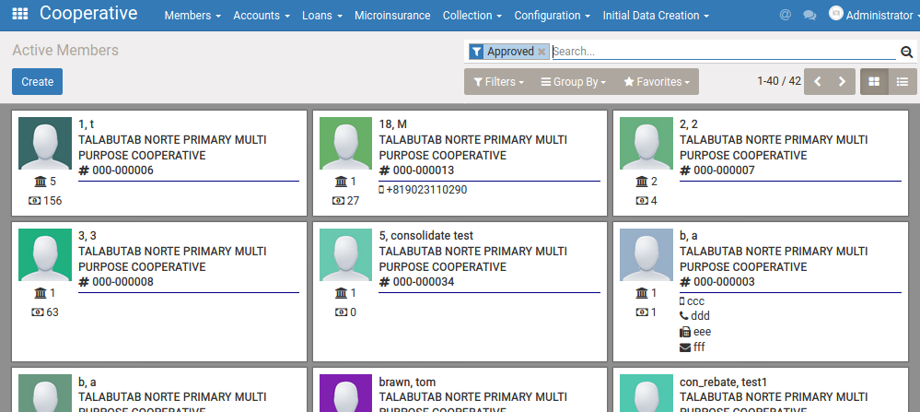

 |  |  |  |  |  |  |  |  |  | Kanban view

If there are several views in same type of thie model , you can indicate specific view
by view id. But if there is no indication of view id , window action try to call high priority's view by default.
(If no setting of priority , the default priority is 16.)
 | 3-(2) create [xxxxxxx.xml] , and define view structure inside.(form ,tree, etc)

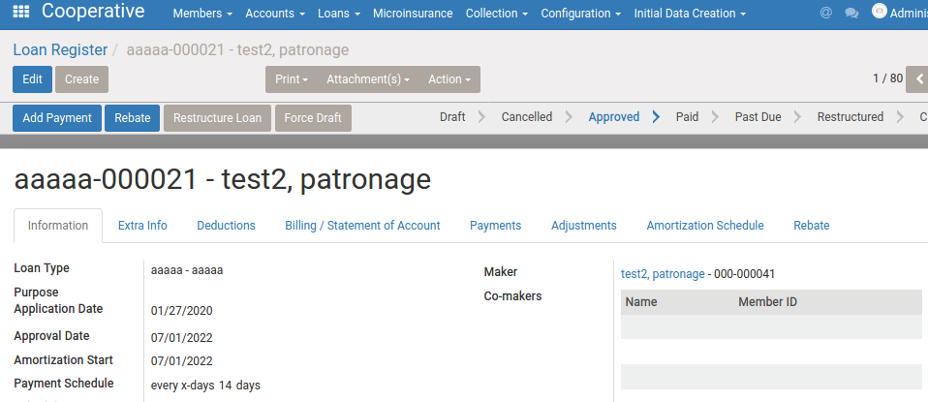
 |  | 3-(2)-a
 |  | form view (p125- )
 |  | https://www.odoo.com/documentation/8.0/reference/views.html
 |  | <record id="view_farming_cultivation" model="ir.ui.view">
 |  | <field name="name">view_farming_cultivation</field>
 |  | <field name="priority">999</field>
<header> is area for button , or status bar
refer P127,P135,P136 in detail
 |  | <field name="type">form</field>
 |  | <field name="model">farming.cultivation.plan</field>

 |  | <field name="arch" type="xml">
 |  | <form>
 |  | <header>
 |  | <button name="approve" string="Approve" type="object" />
 |  | <field name="state" widget="statusbar" readonly="1"/>
<sheet> is main area for data input and refernce
By using <field> and it is inside of <group> , you can display model field value with its field title.
you can displyay field label anywhere if you use <label for>
 |  | </header>
 |  | <sheet>
 |  | <div class="oe_title">
 |  | <label for ="name" class="xxxxx"/>
By using <field> and it is inside of <group> , you can display model field value with its field title.
By default, <field> inside <group> has two column(title , value). But you can set 4 column by (if you want to display the field value at the left side of the area) <group col=4> .
See p 131
 |  | <h1><field name="name"/></h1>
 |  | </div>
 |  | <group name="xxxx">
 |  | <field name ="farmer_id"/>

You can set several attribute inside of the tag.
P132,
fieldのwidget Ｐ134
 |  | <field name ="field_id"/>
 |  | </group>
 |  | <notebook>
 |  | <page string ="AAA" name ="aaa">
<notebook> is tag for starting tab area , and <page> is for each pages definition.
P132
 |  | <group … >
 |  | </page>
 |  | </notebook>

page

tab area

 |  | 3-(2)-c
 |  | list view (P139)
 |  | <record id="view_aptc_sale_tree" model="ir.ui.view">
 |  | <field name="name">view_aptc_sale_tree</field>
 |  | <field name="model">aptc.sale</field>
 |  | <field name="type">tree</field>
 |  | <field name="arch" type="xml">
 |  | <tree string="Sale" >
 |  | <field name="name"/>
 |  | <field name="sale_date"/>
 |  | <field name="buyer_id"/>
 |  | <field name="sale_person_id"/>
 |  | </tree>
 |  | </field>
 |  | </record>

 |  | 3-(2)-b
 |  | search view（P140)
 |  | <record id="search_account" model="ir.ui.view">
 |  | <field name="name">search_account</field>
 |  | <field name="model">wc.account</field>
 |  | <field name="arch" type="xml">
 |  | <search class="wc_tree">
 |  | <field name="state" invisible="1"/> |  |  |  |  |  |  |  | by <field name ="xxxx" > , you can difine candidate field for search when user input value in search box
 |  | <field name="name"/>
 |  | <field name="code"/>
 |  | <field name="account_type_id"/>
 |  |  |  |  |  |  |  |  |  | by <filter name="xxxx"> , you can set filter.
 |  | <filter name="gacct_type" string="Account type" |  |  |  |  |  |  |  | string is display string in view
 |  | context="{'group_by': 'account_type_id'}"/>
 |  | <separator/> |  |  |  |  |  |  |  | by context ="{'group_by':'(field name)'} , you can set default grouping
 |  | <filter name="for_approval" string="For Approval" domain="[('state','=','draft')]"/>
 |  | <filter name="open" string="Open" domain="[('state','=','open')]"/>
 |  | <filter name="dormant" string="Dormant" domain="[('state','=','dormant')]"/>

 | 3-(3) | create window action for calling view
 |  | <record id="xxxxxxxxx (this id will be called by menu action)" model="ir.actions.act_window">
 |  | <field name="name">TITLE(window title)</field>
 |  | <field name="type">ir.actions.act_window</field>
 |  | <field name="res_model">farming.farmer(model name)</field>
 |  | <field name="view_mode">tree,form</field> |  |  |  |  |  |  |  |  |  |  | (which views should be called by this widnows action)
 |  | <field name="context" eval= "{ 'default_trcode_id':ref('wc_account_interbranch.tr_ib_deposit')}" /> |  |  |  |  |  |  |  |  |  |  | (default value dictionary. Ex, in the case of example source , default_trcode_id is external id of 'wc_account_interbranch.tr_ib_deposit')
 |  | </record>

 |  | *note : by setting above windows action , you can call each default view of (tree,form,etc).
 |  | But in case you have several view per one model , you can call specific view per windows action by below
 |  | （refer to [https://useopenerp.com/v8/model/ir-actions-act-window] in details)

You can skip this , if there is only one view configured on the model.In such cases, higest priority view will be called by window action.
And you can indicate the view in window action with [view_ids]like below.
<record id="action_for_approval" model="ir.actions.act_window">
<field name="name">Accounts for Approval</field>
<field name="res_model">wc.account</field>
<field name="view_type">form</field>
<field name="search_view_id" ref="search_account"/>
<field name="view_ids" eval="[
(5, 0, 0),
(0, 0, {'view_mode': 'kanban', 'view_id': ref('kanban_cbu')}),
(0, 0, {'view_mode': 'tree', 'view_id': ref('tree_cbu')}),
(0, 0, {'view_mode': 'form', 'view_id': ref('form_account')}),
]"/>
 |  | (a) add record in [ir.actions.act_window] model
 |  |  | <record id="xxxxxxxxx" model="ir.actions.act_window">
 |  |  | <field name="name">TITLE(window title)</field>
 |  |  | <field name="type">ir.actions.act_window</field>
 |  |  | <field name="res_model">farming.farmer（model name）</field>
 |  |  | <field name="view_mode">tree,form</field>
 |  |  | </record>

 |  | (b) add record in [ir.action.act_window.view] model
 |  | <record id="child_action_window_form" model="ir.actions.act_window.view">
 |  | <field eval="1" name="sequence"/>
 |  | <field name="view_mode">form</field>
 |  | <field name="view_id" ref="newly_created_form_view_id_goes_here" />
 |  | <field name="act_window_id" ref="xxxxxxxxx" /> |  |  |  |  |  |  |  | id of related [ir.action.act_window]
 |  | </record>
 |  | <record id="child_action_window_tree" model="ir.actions.act_window.view">
 |  | <field eval="0" name="sequence"/>
 |  | <field name="view_mode">tree</field>
 |  | <field name="view_id" ref="newly_created_tree_view_id_goes_here" />
 |  | <field name="act_window_id" ref="xxxxxxxxx" /> |  |  |  |  |  |  |  | id of related [ir.action.act_window]
 |  | </record>

 | 3-(4) create menu
 | 3-(4)-a
 | set menu structure in xml and register action for calling the menu structure menu.xml
 | *parent menu setting needs to be defined before child menu

 |  | <menuitem id="farmer" action="xxxxxxxx" name="TITLE" parent="menu_farm_farmer" sequence="xx"/> |  |  |  |  |  |  |  |  |  |  | …menu , and window action called by menu, and parent menu

 | 3-(4)-b set access group for the menu
 |  | <menuitem name="Purchases"
 |  | id="menu_purchase_root"
 |  | groups="group_purchase_manager,group_purchase_user"
 |  | web_icon="purchase,static/description/icon.png"
 |  | sequence="25"/>

 | 4. Other setting file
 | 4-(1) __init__.py
 |  | (setting python file which you want to call in this module
 |  | import person
 |  | import sales
 |  | import buyer

 | 4-(2) security group and access right
 |  | refer p49-51

 |  | sample
 |  | [security.xml]
 |  |  | <record id="group_account_tran_bulk_import" model="res.groups">
 |  |  | <field name="name">Account Tran Bulk Import</field>
 |  |  | <field name="category_id" ref="wc.module_category_webcoop"/> |  |  |  |  |  |  |  |  |  |  | …define category which this group join in
 |  |  | <field name="implied_ids" eval="[(4, ref('base.group_user'))]"/> |  |  |  |  |  |  |  |  |  |  | …define other group which this group inherit
 |  |  | <field name="comment">the user will be able to import account transaction by bulk , and approve it by bulk also.</field>
 |  |  | </record>

 |  |  | <!-- Record rules ========================================== --> |  |  |  |  |  |  |  |  |  |  | ...define record rule (in this example,
 |  |  | <record id="loan_company_rule" model="ir.rule"> |  |  |  |  |  |  |  |  |  |  | user can use records of the user's company's , regarding of models of wc_loan , wc_loan_payment.)
 |  |  | <field name="name">loan_company_rule</field>
 |  |  | <field name="model_id" ref="model_wc_loan"/>
 |  |  | <field eval="True" name="global"/>
 |  |  | <field name="domain_force">['|',('company_id','=',False),('company_id','child_of',[user.company_id.id])]</field>
 |  |  | </record>
 |  |  | <record id="loan_payment_company_rule" model="ir.rule">
 |  |  | <field name="name">loan_payment_company_rule</field>
 |  |  | <field name="model_id" ref="model_wc_loan_payment"/>
 |  |  | <field eval="True" name="global"/>
 |  |  | <field name="domain_force">['|',('company_id','=',False),('company_id','child_of',[user.company_id.id])]</field>
 |  |  | </record>

 |  | [ir.model.access.csv]
 |  |  | id,"name","model_id:id","group_id:id","perm_read","perm_write","perm_create","perm_unlink"
 |  |  | acc_wc_member,acc_wc_member,model_wc_member,wc.group_teller,1,1,1,0
 |  |  | acc_wc_member2,acc_wc_member2,model_wc_member,wc.group_manager,1,1,1,0
 |  |  | acc_wc_member3,acc_wc_member3,model_wc_member,wc.group_sys_manager,1,0,0,0
 |  |  | acc_wc_member4,acc_wc_member4,model_wc_member,group_member_user,1,1,1,0

 | 4-(3) __manifest__.py
 |  |  | https://www.odoo.com/documentation/10.0/reference/module.html
 |  |  | refer to p57

 | 4-(4) other data to be registered when intalling module
 |  | <data noupdate="1"> |  |  |  |  |  |  | … use noupdate if you want to insert only one time and want to avoid duplicate insert when updating module.
 |  | <record id="aaaaaa" model="wc.member"> |  |  |  |  |  |  | … add record in wc.member modle
 |  | <field name="code">1141</field> |  |  |  |  |  |  | …update field [code] by value 1141
 |  | <field name="user_type_id" ref="account.data_account_type_current_assets"/>
 |  | <field name="name">Inventory</field>
 |  | <field name="chart_template_id" ref="ca_webcoop"/>
 |  | </record>
 |  | </data>

 |  | (x) other reference for data set
 |  | … use external id for input value by using eval
 |  | <field name="user_id" eval ="ref('base.group_user')">

 |  | …use current datetime
 |  | <field_name="date_deadline eval="(datetime.now() + timedelta(-1)).strftime('%Y-%m-%d')" />

 | 5.Logic
 | 5-(0) working with recordsets
 |  | refer to p155 -p170

 |  | https://odoo-new-api-guide-line.readthedocs.io/en/latest/environment.html
 |  | https://www.odoo.com/documentation/9.0/reference/orm.html

 |  | (x) get other model's value by sql like expression
 |  |  | By using self.env['(model)'] and domain , you can get other model's value. Refer to 99-(3) for domain expression.

 |  |  | def initialapproveMember(self):
 |  |  | records =self.env['wc.member'].search([['is_approved', '=', False],['company_id','=',self.selfDic()['com']]])

 |  | (a) field access
 |  |  | Recordsets provide an "Active Record" interface: model fields can be read and written directly from the record,
 |  |  | but only on singletons (single-record recordsets). Setting a field's value triggers an update to the database:
 |  |  | >>> record.name
 |  |  | Example Name
 |  |  | >>> record.company_id.name
 |  |  | Company Name
 |  |  | >>> record.name = "Bob"

 |  |  | Trying to read or write a field on multiple records will raise an error.
 |  |  | Accessing a relational field (Many2one, One2many, Many2many) always returns a recordset, empty if the field is not set.

 |  |  | ex.
 |  |  | >>> self.company_id
 |  |  | res.company(1,)
 |  |  | >>> self.company_id.name
 |  |  | 'YourCompany'
 |  |  | >>> self.company_id.currency_id
 |  |  | res.currency(1,)
 |  |  | >>> self.company_id.currency_id.name
 |  |  | 'EUR'

 |  |  | >>> self.company_id.countory_id
 |  |  | res.countory() |  |  |  | … if no record
 |  |  | >>> self.company_id.countory_id.name
 |  |  | False |  |  |  | … return False if no record

 |  |  | Handle One2many , Many2many field
 |  |  | (i) syntax for update One2many (or Many2many) field and linked value

 |  |  |  | record.write({'users': [(3, employee.employee_id.id)]})

 |  |  |  | [(0, 0, { values })] link to a new record that needs to be created with the given values dictionary
 |  |  |  | [(1, ID, { values })] update the linked record with id = ID (write *values* on it)
 |  |  |  | [(2, ID)] remove and delete the linked record with id = ID (calls unlink on ID, that will delete the object completely, and the link to it as well)
 |  |  |  | [(3, ID)] cut the link to the linked record with id = ID (delete the relationship between the two objects but does not delete the target object itself)
 |  |  |  | [(4, ID)] link to existing record with id = ID (adds a relationship)
 |  |  |  | [(5)] unlink all (like using (3,ID) for all linked records)
 |  |  |  | [(6, 0, [IDs])] replace the list of linked IDs (like using (5) then (4,ID) for each ID in the list of IDs)

 |  |  | (ii) example
 |  |  |  | create new record for referece model from One2many and make linkage with One2many field
 |  |  |  |  | model.one2many_ids = [[ 0, 0, { 'field1':value11 , 'field2':value12 ,,,, } ] , [ 0, 0, { 'field1':value21 , 'field2':value22 ,,,, } ] ]

 |  |  |  | add link with existing record
 |  |  |  |  | model.many2many_ids = [[4,id]]

 |  |  |  | replace linked record
 |  |  |  |  | id_list =[1,2,3,,] |  | … id list of linked record
 |  |  |  |  | tax_ids = [[6, 0 , id_list]]

 |  | (b)Notes for update multiple field value

 |  |  | Each assignment to a field triigers a database update , when setting multiple fields at the same time or setting fields on multipule records ( to the same value) , use write()
 |  |  | When database update, there are cases that other many update ( for example add data for audit log) will be executed automatically . So if you use one by one field access for update , it causes slow speed response.
 |  |  | # 3 * len(records) database updates
 |  |  | for record in records: |  |  |  |  |  |  | … not good
 |  |  | record.a = 1
 |  |  | record.b = 2
 |  |  | record.c = 3

 |  |  | # len(records) database updates
 |  |  | for record in records: |  |  |  |  |  |  | … better
 |  |  | record.write({'a': 1, 'b': 2, 'c': 3})

 |  |  | # 1 database update |  |  |  |  |  |  | … good
 |  |  | records.write({'a': 1, 'b': 2, 'c': 3})

 |  |  | (x)tip for performance improvement
 |  |  |  | (i) how to skip audit log
 |  |  |  |  | https://naglis.me/post/odoo-orm-performance-tips/
 |  |  |  |  | pay = Payment.with_context(tracking_disable=True).create(val)

 |  | (c) operations on recordset
 |  |  | P167
 |  |  | recordset.ids |  |  |  |  | … list with the IDs of the recordset elements
 |  |  | recordset.ensure_one() |  |  |  |  | … checks if it is a single record(singleton) ; if it's not , a ValueError exception is raised
 |  |  | recordset.filtered(func) |  |  |  |  | …returns a filtered recordset
 |  |  | recordset.mapped(func) |  |  |  |  | … returns a list of mapped values
 |  |  | recordest.sorted(func) |  |  |  |  | …returns an ordered recordset

 |  | (d) manipulating recordsets

 |  |  | rst1 | rst2 |  |  | … return union of rst1 and rst2
 |  |  | rst1 + rst2 |  |  | … concatenate both recordsets into one
 |  |  | rst1 & rst2 |  |  | … results in a recordset with only the elements present in both recordsets
 |  |  | rst1 - rst2 |  |  | … results in a recordset with the rst1 elements not present in rst2
 |  |  | (the xlice notation can also be used same as python list object, see below)
 |  |  | rst[0] |  |  | … retrieve the first element
 |  |  | rst[-1] |  |  | … retrieve the last element
 |  |  | rst[1:] |  |  | … recordsets without the first element

 | 5-(1) method decorators
 |  | P155

 | 5-(2) overwrite of create button , save button (refer to P156)
 |  | (a) overwrite [save] logic
 |  | @api.model |  |  |  |  |  |  | … add @api.model decorator
 |  | def create(self, values): |  |  |  |  |  |  | … [create] is called when inserting record
 |  | employee = super(MarketEmployee, self).create(values) |  |  |  |  |  |  | …call original create method . [create] return model data inserted.
 |  | self.updateUserRight(employee) |  |  |  |  |  |  | …do something by using data
 |  | return emploee |  |  |  |  |  |  | … return inserted result

 |  | (b) overwrite [update] logic
 |  | @api.multi |  |  |  |  |  |  | … add @api.multi decorator
 |  | def write(self, values): |  |  |  |  |  |  | … [write] is called when update record
 |  | res = super(MarketEmployee, self).write(values) |  |  |  |  |  |  | … return value is bool (if update is success or failed )
 |  | self.updateUserRight(self) |  |  |  |  |  |  | … in [self] , the updated value is registered.
 |  | return res |  |  |  |  |  |  | … return update result

 | 5-(3) validation
 |  | set value in [_sql_constraints] variable like below

 |  |  | _sql_constraints = [('unique_code', 'unique(code, company_id)', 'The savings product type code must be unique per branch!')]
 |  |  | （ _sql_constraints = ['name', unique(field name1, field name2)','Validation message') )

 |  |  | _sql_constraints = [
 |  |  | (‘constraint_age’,
 |  |  | ‘CHECK (age <= 18)’,
 |  |  | ‘Under the age of 18 are not allowed to vote’)]

 |  | Other validation. Define function in the class with @api.constrains('field name') decorator (refer p156 for decorator)

 |  | @api.constrains('email')
 |  | def validate_email(self):
 |  | for obj in self:
 |  | if re.match("^.+\\@(\\[?)[a-zA-Z0-9\\-\\.]+\\.([a-zA-Z]{2,3}|[0-9]{1,3})(\\]?)$", obj.email) == None:
 |  | raise ValidationError(_("Please Provide valid Email Address: %s" % obj.email))
 |  | return True

 |  | You can display confirmation(caution) message in view by belwo
 |  | <button name="click_me" string="Click Me" type="object" class="oe_highlight" confirm="Are you sure you want to do?"/>

 | 5-(4) define button action and business logic

 |  | (a) define business logic in python file

 |  | @api.multi
 |  | def approve(self):
 |  | self.check_selected_company_iscorrect()
 |  | records =self.env['wc.member'].search([['is_approved', '=', False],['company_id','=',self.selfDic()['com']]])
 |  | …

 |  | (b) in view, write the business logic name in name attribute of button
 |  | (example)
 |  | <button name="approve" string="Approve" type="object" />

 | 5-(5) onchange event
 |  | On changing field value , three types of values below can be returned to view.
 |  | 1: The value dictionary i.e {field1:value1,field2:value2}
 |  | 2: The domain dictionary i.e {field1:domain1}
 |  | 3: The warning

 |  | @api.onchange(field1,field2,,,)
 |  | def onchange_field123(self)
 |  | return {'value':{field1:value1,field2:value2}
 |  | ,'domain':{field1:domain1,field2:domain2}
 |  | ,'warning':'Warning Message'}

 | 5-(6) execute sql
 |  | P162
 |  | https://www.odoo.com/documentation/10.0/reference/orm.html#environment

 |  | ex.
 |  | self._cr.execute("some_sql", param1, param2, param3)
 |  | rec = cr.fetchall()

 |  | Note:You can set update or delete sql also , but You need to CLEAR CACHE in such cases.

 |  | invalidate_cache()

 |  | There are three types of fetch , each fetch has different return values
 |  | (https://codeday.me/jp/qa/20190418/650633.html)
 |  | - cr.dictfetchall()
 |  | It will returns the list of dictionary.
 |  | Example:
 |  | [{'column1':'value_column1',}, {'column2':'value_column2',}]

 |  | - cr.dictfetchone()
 |  | It will return dictionary (Single record)
 |  | Example:
 |  | {'column1':'value_column1',}

 |  | - cr.fetchall()
 |  | It will returns the list of tuple.
 |  | Example:
 |  | [('value_column1'), ('value_column2'), ].

 |  |  | (e)One2many , Many2many field

 | 5-(7) Logging
 |  | P152

 | 5-(8) raise exceptions
 |  | P153

 | 6. View
 | 6-(1) | Dynamic attribute P138

 |  | (a) Readonly for specific group only
 |  | <record id="view_order_form_cust_ref_readonly" model="ir.ui.view">
 |  | <field name="name">sale.order.form.readonly.cust</field>
 |  | <field name="model">sale.order</field>
 |  | <field name="inherit_id" ref="sale.view_order_form"/>
 |  | <field name="groups_id" eval="[(6, 0, [ref('base.group_user') ])]"/> |  |  |  |  |  |  | … add values in [group_id] field
 |  | <field name="arch" type="xml">
 |  | <field name='client_order_ref'" position="attributes">
 |  | <attribute name="readonly">1</attribute>
 |  | </field>
 |  | </field>
 |  | </record>

 |  | (b) change field attribute depending on other field value .

 |  | <field name="field_name" attrs="{'readonly':[('field', 'operator', value)]}" |  |  |  |  |  |  |  | … readonly attribute of 'field_name' is changed dynamically by 'field'
 |  | ex.
 |  | <field name="member_id" attrs="{'readonly':[('state', '=', 'draft' )]}"

 |  | c) onchange event
 |  |  | refer to 5-(3)

 | 6-(2) nested view
 |  | (i)customize nested view field directly
 |  | <field name="field_ids" >
 |  | <tree default_order='display_order'> |  |  |  |  | Generally , if linked model refered by [field_ids] has tree view , the tree view will be display in One2many field.
 |  | <field name="field_name"/> |  |  |  |  | But you can define customized view by difining here directly
 |  | <field name="area_size"/>
 |  | <field name="area_size_unit"/>
 |  | <field name="location_address1"/>
 |  | </tree>

 |  | (ii) set specific view as nested view by context
 |  | <field name="stub_line_no"
 |  | options="{'no_create':True}"
 |  | domain="[('location_id', '=', parent.location_id),('available_stock','&gt;',0)]"
 |  | context="{'tree_view_ref':'aptc.treeview_stock_lot_available', 'search_view_ref':'aptc.searchview_stock_lot_available'}"/>

 |  | (iii) option for nexted view , remove add line in tree view
 |  | <field name="farmer_ids" create="false" widget="many2many_tags" options="{'no_create':True}">
 |  | <tree>
 |  | <field name="farmer_code"
 |  | <field name="name"
 |  | </tree>
 |  | </field>

 | 6-(3) widget ( stype for One2many field)
 |  |  | http://ludwiktrammer.github.io/odoo/form-widgets-many2many-fields-options-odoo.html
 |  |  | https://odooforbeginnersblog.wordpress.com/2017/03/09/widgets-in-odoo/

 | 6-(4) how to show related model's fields
 |  | There may be cases that you want to show some fields from models linked to the current model.
 |  | In such cases, you need to add the fields with 'related' attribute.
 |  | ex. If you want to show field_b of linked record of model_b , you need to do like below.
 |  | i) add related field
 |  |  | class A(models.Model):
 |  |  | _name = "model_a"
 |  |  | field_a = fields.Many2one('model_b')
 |  |  | field_b_in_a = fields.Char(related='field_a.field_b')
 |  | ii) add field in view as usual field
 |  |  | <field name="field_b_in_a" />

 | 6-(5) stylesheet

 |  | apply original style sheet
 |  | (i) make css definition and set the class in view xml
 |  |  | xml : <tree string="Tree String" version="7.0" class="my_class"> <field name="my_field" />
 |  |  | css : .my_class [data-id="my_field"]{width: 1000px;}

 |  | (ii)call style sheet file in view xml file
 |  |  | <template id="wc_assets_backend" name="wc_assets_backend" inherit_id="web.assets_backend">
 |  |  | <xpath expr="." position="inside">
 |  |  | <link rel="stylesheet" href="/wc/static/src/css/custom.css"/>
 |  |  | </xpath>
 |  |  | </template>

 |  | apply framework style
 |  |  | refer to | https://doc.odoo.com/trunk/server/form-view-guidelines

 | 6-(6) button icon
 |  | you can use license free icon like below
 |  |  | https://fontawesome.com/v4.7.0

 |  | if you want to use wifi icon in a button , you can do by below
 |  | (i) check name of icon
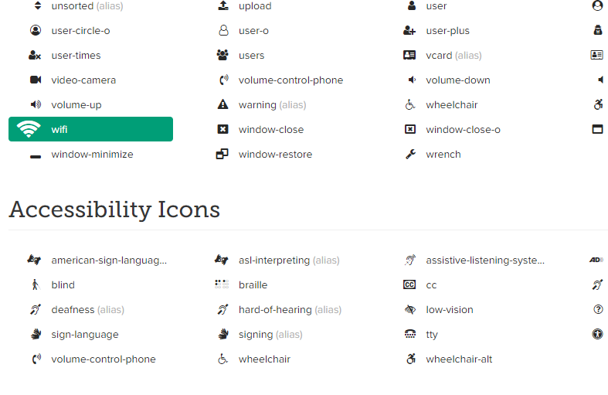

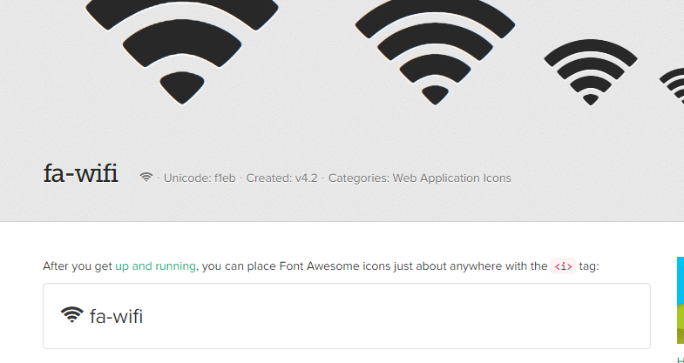

 |  | (ii)set the name with icon attribute
 |  |  | <button name="show_accounts" type="object" class="oe_stat_button"
 |  |  | icon="fa-wifi" groups="wc.group_teller">
 |  |  | <field string="Accounts" name="account_count" widget="statinfo"/>
 |  |  | </button>

 | 6-(7) decoration for tree view
 |  | change color depending on conditions
 |  |  | ex1
 |  |  | <tree editable="bottom" decoration-danger="(qty_todo &gt; 0) and (qty&gt;qty_todo)">
 |  |  | <field name="lot_name"/>
 |  |  | <field name="qty_todo" />
 |  |  | <field name="qty" invisible="context.get('serial')"/>
 |  |  | </tree>

 |  |  | ex2
 |  |  |  | colors="red:state=='draft';green:state=='for_approval';grey:state=='closed'">
 |  |  |  | <field name="company_id" groups="base.group_multi_company" invisible="1"/>

 |  |  | decoration-bf - shows the line in BOLD
 |  |  | decoration-it - shows the line in ITALICS
 |  |  | decoration-danger - shows the line in LIGHT RED
 |  |  | decoration-info - shows the line in LIGHT BLUE
 |  |  | decoration-muted - shows the line in LIGHT GRAY
 |  |  | decoration-primary - shows the line in LIGHT PURPLE
 |  |  | decoration-success - shows the line in LIGHT GREEN
 |  |  | decoration-warning - shows the line in LIGHT BROWN

 |  |  | <tree editable="bottom" delete="0" default_order="is_done desc,sequence"
 |  |  | decoration-muted="is_done" decoration-warning="quantity_done&gt;product_uom_qty"
 |  |  | decoration-success="quantity_done==product_uom_qty" decoration-danger="quantity_available &lt; product_uom_qty" create="0">

 | 7 inheritance feature

 | 7-(1) model inheritance
 |  | There are three types of inheritance feature , depending on following usage typel
 |  | (1)Change/Add field difinition or business logic on existing model.
 |  |  | (Same effect as modify exisiting model. New table object will not be created.)
 |  | (2)Create new model by change/add field difinition or business logic of existing model's one.
 |  |  | (Copy and modify exisiting model , and save it as new model)
 |  | (3)Create link to existing model , and create new model with additional field only.
 |  |  | (Can use existing model business logic and exiting model fields in the new model , as if the new model has the exisiting one.)
 |  |  | (Field data on field of existing model will be stored in base model)

 |  | <how to define(sample)>
 |  | (1)Change/Add field difinition or business logic on existing model. (no [_name] variable)

 |  |  | * add [newfield1] and [new_function] business logic in [wc.member] model
 |  |  | class Member(models.Model):
 |  |  | _inherit = "wc.member"
 |  |  | newfield1 = fields.Char('New field 1')
 |  |  | def new_function(self):
 |  |  | self.newfield1 = 1

 |  | (2)Create new model by change/add field difinition or business logic of existing model's one. (with [_name] variable)

 |  |  | *By using current [wc.member] model item and logic , and add [newfield1] and [new_function] business logic , and create as [new_model_name]
 |  |  | class Newmodel(models.Model):
 |  |  | _name ="new_model_name"
 |  |  | _inherit = "wc.member"
 |  |  | newfield1 = fields.Char('New field 1')
 |  |  | def new_function(self):
 |  |  | self.newfield1 = 1

 |  | (3)Create link to existing model , and create new model with additional field only.

Define base model , and field (of new model ) for keeping id for linked to the base model's id
 |  |  | *By using current [wc.member] model item and logic , and add [newfield1] and [new_function] business logic , and create as [new_model_name]
 |  |  | *And field value on original model should be stored in [wc.member] , and keep field value for new one will be stored in [new_model_name]
 |  |  | class Newmodel(models.Model):
 |  |  | _name ="new_model_name"
 |  |  | _inherits={'wc.member': 'member_id'}
 |  |  | newfield1 = fields.Char('Farmer Code',required=False, readonly=True, index=True)
 |  |  | member_id = fields.Many2one('wc.member', required=True, ondelete='restrict', string='Related Member')
Need to add id field difinition for making linkage
 |  |  | def new_function(self):
 |  |  | self.newfield1 = 1

 | 7-(2) view inheritance
 |  | P62 or refer also to below
 |  | https://docs.huihoo.com/odoo/developer/10.0/reference/views.html
 |  | https://doc.odoo.com/6.0/developer/2_6_views_events/views/view_inheritence/

 |  | sample
 |  |  | <record id="form_members_inherit" model="ir.ui.view">
 |  |  | <field name="name">form_members_inherit</field>
 |  |  | <field name="model">wc.member</field>
 |  |  | <field name="inherit_id" ref="wc_member.form_members"/> |  |  |  |  |  |  | id for inherit
 |  |  | <field name="arch" type="xml">
 |  |  | <field name="account_officer_id" position="before"> |  |  |  |  |  |  | insert some fields ('total_cbu' , 'total_sa' ) before 'account_officer_id' field
 |  |  | <field name="total_cbu"/> |  |  |  |  |  |  | (poition , you can set 'inside' (defaule) , after , replace)
 |  |  | <field name="total_sa"/>
 |  |  | </field>
 |  |  | <xpath expr="//div[@name='button_box']" position="inside"> |  |  |  |  |  |  | you can use 'xpath' for searching target tag. See 7-(3) in details about xpath.
 |  |  | <button name="show_accounts" type="object" class="oe_stat_button"
 |  |  | icon="fa-university" groups="wc.group_teller">
 |  |  | <field string="Accounts" name="account_count" widget="statinfo"/>
 |  |  | </button>
 |  |  | </xpath>

 |  |  | </field>
 |  |  | </record>

 | 7-(3) xpath
 |  | https://qiita.com/rllllho/items/cb1187cec0fb17fc650a
 |  | http://blog.6vox.com/2013/09/xpath.html
 |  | ex1 . Search [move_raw_ids] field and , search [tree] tag under it , and search [product_id] under it.

 |  |  | <xpath expr="//field[@name='move_raw_ids']/tree[2]/field[@name='product_id']" position="attributes">

 |  | ex2. Search by several conoditions

 |  |  | <xpath expr="header/button[@name='open_produce_product' and not(@class='oe_highlight')]" position="replace">

 | 7-(4) how to inherit view and keep the original one also
 |  | If you inherit view , the original view will be upgraded by the inherit when applying the inherit view.
 |  | But in some cases, you may want to keep the original view and want to use both the original and inherited new one.
 |  | In this case you can do by below.

 |  | https://www.odoo.com/es_ES/forum/ayuda-1/question/inheriting-a-view-without-overriding-the-original-view-solved-85762

 |  | (i) new view defitnion
 |  |  | ...set [primary] on field mode on inherit view definition
 |  |  | ..set [999] on priority , if you want to use original view as default and new view wants to be called only if explicitly indicated by view id
 |  |  | (by above , no affection on original view and form which used the orignial view)

 |  |  | <record model="ir.ui.view" id="email_compose_message_wizard_form2">
 |  |  | <field name="name">mi_new_view</field>
 |  |  | <field name="model">mail.compose.message</field>
 |  |  | <field name="inherit_id" ref="mail.email_compose_message_wizard_form"/>
 |  |  | <field name="mode">primary</field>
 |  |  | <field name="priority" eval="999"/>
 |  |  | <field name="arch" type="xml">
 |  |  | <xpath expr="//span[contains(.,'Followers of the document and')]"
 |  |  | position="replace"/>
 |  |  | </field>
 |  |  | </record>

 | 7-(5) Apply extension for only specific security group

 |  | <!-- change field attribute depending on user group -->
 |  |  | <record id="view_aptc_stock_extend" model="ir.ui.view">
 |  |  |  | <field name="name">view_aptc_stock_extend</field>
 |  |  |  | <field name="model">aptc.stock</field>
 |  |  |  | <field name="inherit_id" ref="view_aptc_stock"/>
 |  |  |  | <field name="groups_id" |  |  |  |  |  |  |  | … groups to be applied this extension
 |  |  |  | eval="[(6, 0, [ref('aptc.group_trading_center_admin')]),
 |  |  |  | (6, 0, [ref('aptc.group_trading_center_system')]) ]"/>
 |  |  |  | <field name="arch" type="xml">
 |  |  |  | <field name="receive_person_id" position="attributes">
 |  |  |  | <attribute name="readonly">False</attribute>
 |  |  |  | <attribute name="attrs">{'invisible' : False }</attribute>
 |  |  |  | </field>
 |  |  |  | <field name="receipt_date" position="attributes">
 |  |  |  | <attribute name="readonly">False</attribute>
 |  |  |  | </field>
 |  |  |  | </field>
 |  |  | </record>

 | 8. redirect to other view by server side code
 |  | In case that you want to redirect to other view by server logic , you can do it by below
 |  | reference:
 |  | https://aasimania.wordpress.com/2011/11/10/redirecting-to-another-form-in-openerp/
 |  | https://stackoverflow.com/questions/37654086/how-to-redirect-to-another-form-view-in-python-code-odoo-8

 |  | @api.multi
 |  | def method_name(self):
 |  | ....... |  |  |  |  |  | refer p120,p121 in detail about return value below
 |  | view_id = self.env.ref('tree_loan_detail_for_reconciliation') |  |  |  |  |  | set variable by external id of the target view

 |  | return { |  |  |  |  |  | by returning ir.actions.act_window as type, window action will be called
 |  | 'type': 'ir.actions.act_window',
 |  | 'name': 'Accounts',
 |  | 'domain': domain, |  |  |  |  |  | title of view
 |  | 'view_id':view_id and view_id.id or False |  |  |  |  |  | domain to be used in target view
 |  | 'res_model': 'wc.account', |  |  |  |  |  | view to be opened ( set external id of the target view )
 |  | 'view_type': 'form', |  |  |  |  |  | target model
 |  | 'view_mode': 'form', |  |  |  |  |  | view_type … view type (ex, tree ,form )
 |  | 'context': context, |  |  |  |  |  | view_mode… view type to be called
 |  | 'target': 'self',
 |  | 'view_mode': 'kanban,tree,form', |  |  |  |  |  | context … send variable with value as context . Mainly it will be used for default set value . (refer to P122 for context）
 |  | 'res_id': self.id, |  |  |  |  |  |  | On the client side ,the context can be used to set default values or activate default filters on the target view , using kyes with [default_] or [default_search_] prefixes
 |  | 'limit' : xxxx |  |  |  |  |  |  | example of context with prefix
 |  | } |  |  |  |  |  |  |  | context= {'default_user_id' : uid}
 |  |  |  |  |  |  |  |  |  |  | set uid as default value in [user_id] field
 |  |  |  |  |  |  |  |  |  | context= {'default_search_filter_my_tasks' :1}
 |  |  |  |  |  |  |  |  |  |  | set '1'(filter = on) as default searchh filter of filter name [filter_my_tasks].
 |  |  |  |  |  |  |  |  | example of context without prefix
 |  |  |  |  |  |  |  |  | context={'xxxxxxxxx' : 'yyy'}
 |  |  |  |  |  |  |  |  |  | In target view , this xxxxxxxxx will be used as variable which yyy is in it.
 |  |  |  |  |  |  |  |  |  | This will be used mainly for domain of the view.
 |  |  |  |  |  |  |  |  |  | ex. <field name="account_type_id" domain="[('category','=',xxxxxxxx)]"

 |  |  |  |  |  |  |  | target:'self' …redirect in current page
 |  |  |  |  |  |  |  | target:'new' …redirect as pop up window

 |  |  |  |  |  |  |  | res_id … you can set record id of target model

 | 9.sequence
 |  | https://www.linkedin.com/pulse/sequence-odoo-jiffin-joachim-gomez/
 |  | <data noupdate="1">
 |  | <record id="sequence_id" model="ir.sequence">
 |  | <field name="name">Sequence Name</field> |  |  |  |  | name of sequence
 |  | <field name="code">wc.member</field> |  |  |  |  | generally use model name , but you can set other name(as long as this code is unique)
 |  | <field name="padding">10</field> |  |  |  |  | total length oth seq
 |  | <field name="prefix">prefix</field>
 |  | <field name="suffix">suffix</field>
 |  | <field name="number_next">1</field> |  |  |  |  | 1
 |  | <field name="number_increment">1</field>
 |  | <field name="company_id">False</field>
 |  | </record>
 |  | </data>

 | 10.external identifier

 |  | P75 - P81

 | 11.import data
 |  | You can import by using import feature in odoo (by using external id) , or use XML-RPC feature
 |  | (i)import by odoo's frame work feature
 |  |  | refer to [P81]
 |  |  | you can use this for importing simple record .
 |  |  | But , you cannot import readonly field by this feature , so you need to use XML-RPC for importing migration data generally.

 |  | (ii)XML-RPC
 |  |  | This is recommend for data migration.
 |  |  | Basic feature of [xml-rpc] for odoo , Refer p243

 |  | (iii) direct access to db server (not recommend)
 |  |  | If you are familiar with SQL well , and you understand very well about webcoop's table ,field and the relationship , you may want to use execute sql directly.
 |  |  | In order to access directly , see

99. other technic

 | (1)view
 |  | (1.a) how to define for hiding [add an item] in tree view
 |  |  | <tree create=False >
 |  | (1.b) to avoid delete and edit in tree view
 |  |  | <tree create="false" delete="false" editable="false">
 |  | (1.c)add button on tree view
 |  |  | <record id="view_employee_tree" model="ir.ui.view">
 |  |  | <field name="name">hr.employee.tree</field>
 |  |  | <field name="model">hr.employee</field>
 |  |  | <field name="arch" type="xml">
 |  |  | <tree string="Employees">
 |  |  | <button name="xxxxx" string="Confirm" class="oe_highlight"/>
 |  |  | <field name="name"/>
 |  |  | <field name="work_phone"/>
 |  |  | <field name="work_email"/>
 |  | (1.d)password masking
 |  |  | <field name="password" password="True"/>

 |  | (1.e)disable popup display on Many2one field
 |  |  | <field name="city" options="{'no_open': True}"/>

 |  | (1.f) disable button except for edit mode
 |  |  | <button name="adjust_received_qty" string="⇒ Adjust" type="object" class="oe_edit_only"/>

 |  | (1,g) want to use other field value as domain
 |  |  | (i) add Many2one field as compute type filed , which returns selectable id list
 |  |  |  | selectable_lot_ids= fields.Many2many('stock.production.lot',compute = 'compute_selectable_lot_ids')
 |  |  |  | @api.depends('location_id','product_id')
 |  |  |  | def compute_selectable_lot_ids(self):
 |  |  |  | ...(logic)...
 |  |  |  | self.selectable_lot_ids = [(6,0, ids)]
 |  |  | (ii)add the field with invisible attribute in a view
 |  |  | (iii)set domain by using the field value(selectable id list
 |  |  |  | domain="[('id', 'in', parent.selectable_lot_ids and parent.selectable_lot_ids[0][2])]"/>

 | (2) model
 |  | (2.a)get external id by code
 |  |  | self.env.ref('tree_loan_detail_for_reconciliation')
 |  | (2.b)get company id
 |  |  | self.env.user.company_id.id
 |  | (2.c)get login user info
 |  |  | self.env.user
 |  | (2.d)datetime type object handling
 |  |  | https://basicincome30.com/python-datetime
 |  |  | http://imagawa.hatenadiary.jp/entry/20111126/1322298988

 |  |  | ex.get last date of the month
 |  |  | from dateutil.relativedelta import relativedelta
 |  |  | from datetime import date
 |  |  | date(2011, 11, 26) + relativedelta(day=31)
 |  |  | #=> date(2011, 11, 30)

 |  | (2.e)check whether specific model is installed or not
 |  |  | bokeh = self.env['ir.module.module'].search([('name', '=', 'module_name')])
 |  |  | if not bokeh or bokeh.state != 'installed':
 |  |  | raise UserError(_('...'))

 |  | (2.e)check whether specific field is existing
 |  |  | If 'field_name' in self.env['wc.loan(modelname)']._fields

 |  | (2.f) float type value comparison

 |  |  | There are cases that float type variable includes small decimal value in it , even if it looks like natural number.
 |  |  |  | ex. Even if the variable looks like [3] , actual value is 3.000000001.
 |  |  | So ,when you try to compare float type variables by like [a == b ], there is a possibility that the result is false even if both are same value.
 |  |  | So for avoiding this error , should be compared like below

 |  |  |  | EPS = 0.00001
 |  |  |  | if abs(tmp_line.amount_due - total_due_inloan)<EPS:
 |  |  |  | print('both value is regarded as same')

 | (3)domain
 |  | https://stackoverflow.com/questions/29442993/which-are-the-available-domain-operators-in-openerp-odoo
 |  | List of Domain operators
 |  |  | ! | Not
 |  |  | | | Or
 |  |  | & | And
 |  | List of Term operators
 |  |  | '=', '!=', '<=', '<', '>', '>=', '=?', '=like', '=ilike', 'like', 'not like', 'ilike', 'not ilike', 'in', 'not in', 'child_of'
 |  | Cannot use below if you use domain in xml file, so you need to use alternative character for it.
 |  |  | cannot use |  | alternative
 |  |  | & |  | &amp;
 |  |  | < |  | &lt;
 |  |  | > |  | &gt;
 |  |  | " |  | &quot;
 |  | example for domain
 |  |  | domain |  |  |  |  | meaning
 |  |  | ['&',('category','=',1),('is_lgf','=',1)] |  |  |  |  | where category = 1 and is_lgf = 1
 |  |  | [('category','=',1),('is_lgf','=',1)] |  |  |  |  | where category = 1 and is_lgf = 1 |  |  |  | … in case there is no operator before domain expression , this mean And.
 |  |  | ['|',('category','=',1),('is_lgf','=',1)] |  |  |  |  | where category = 1 or is_lgf = 1
 |  |  | ['|',('category','=',1),('is_lgf','=',1),('is_saving','=',1)] |  |  |  |  | where (category = 1 or is_lgf = 1) and is_saving =1
 |  |  | ['|','|',('category','=',1),('is_lgf','=',1),('is_saving','=',1)] |  |  |  |  |  | where (category = 1 or is_lgf = 1) or is_saving =1
 |  |  | ['|','&',('category','=',1),('is_lgf','=',1),('is_saving','=',1)] |  |  |  |  |  | where (category = 1 and is_lgf = 1) or is_saving =1

 |  | domain in vew
 |  |  | ['&amp;',('category','=',1),('is_lgf','=',1)] |  |  |  |  | where category = 1 and is_lgf = 1
 |  |  | ['&amp;',('category','&lt;',1),('is_lgf','=',1)] |  |  |  |  | where category < 1 and is_lgf = 1
 |  |  | [('category','=','sa'),('is_lgf','=',is_lgf_type)] |  |  |  |  | where category = 'sa' and is_lgf = is_lgf_type([is_lgf_type is other field, you can use other field as domain's condition)
 |  |  | [('category','=','sa'),('is_lgf','=',parent.is_lgf_type)] |  |  |  |  | where category = 'sa' and is_lgf = (value of is_lgf_type in parent form . If the domain is indicated in child view (nested view) )

 | (4)context
 |  | refer to p122
 |  | basic usage
 |  |  | context … send variable with value as context . Mainly it will be used for default set value . (refer to P122 for context）
 |  |  |  | On the client side ,the context can be used to set default values or activate default filters on the target view , using kyes with [default_] or [default_search_] prefixes
 |  |  |  | example of context with prefix
 |  |  |  |  | context= {'default_user_id' : uid}
 |  |  |  |  | context= {'default_search_filter_my_tasks' :1}
 |  |  |  | example of context without prefix
 |  |  |  | context={'xxxxxxxxx' : 'yyy'}
 |  |  |  |  | In target view , this xxxxxxxxx will be used as variable which yyy is in it.
 |  |  |  |  | This will be used mainly for domain of the view.
 |  |  |  |  | ex. <field name="account_type_id" domain="[('category','=',xxxxxxxx)]"
 |  | pass some value from view to logic
 |  |  | <button name="action_revoke" type="object" string="Revoke" context="{'current_id': active_id}"/>
 |  | get value from context by code
 |  |  | self.env.context.get('current_farmer_id',False)
 |  | pass some value from logic to view
 |  |  | pass context value as return value of window action
 |  |  |  | return {
 |  |  |  | 'type': 'ir.actions.act_window',
 |  |  |  | 'name': 'farmer_field',
 |  |  |  | 'view_type': 'form',
 |  |  |  | 'view_mode': 'form',
 |  |  |  | 'context': {'default_farmer_id':abc},
 |  |  |  | 'res_model': 'farming.farm_field',
 |  |  |  | }
 |  | pass some value from view to other view
 |  |  | ( *you don't have to consider this for passing detail id , for screen transition from tree view to form view of selected id. This is done by framework automatically.
 |  |  | only in case you want to pass some value except for id , you need to do like below.)
 |  |  | (1) embed context value in button action for calling logic
 |  |  |  | <button name="action_revoke" type="object" string="Revoke" context="{'current_id': active_id}"/>
 |  |  | (2)In the server logic, you set the context again for passing the value to target view

 |  | default context value
 |  |  | active_model
 |  |  |  | You can refer model id by below
 |  |  |  | previous_model = context.get('active_model')
 |  |  | active_ids
 |  |  |  | You can refer selecte record's ids by below
 |  |  |  | selected_ids = context.get('active_ids')

 | (5)overwrite framework function
 |  | insert record
 |  |  | refer 5-(4)

 |  | update record
 |  |  | refer 5-(4)

 |  | when display first

 |  |  | @api.model
 |  |  | def default_get(self, fields):
 |  |  | rec = super(LoanMultiPayment, self).default_get(fields) |  |  |  |  |  |  | … call super class's first diplay logic
 |  |  | ---- logic -----
 |  |  | rec.update({
 |  |  | 'member_id': loans[0].member_id.id,
 |  |  | 'date': self.env['wc.posting'].get_first_open_date(self.env.user.company_id.id),
 |  |  | 'editable_date': self.env.user.company_id.editable_loan_date,
 |  |  | 'line_ids': lines,
 |  |  | })
 |  |  | return rec

 | (6)logging
 |  | p152

 | (7) Handle One2many and Many2many field value
 |  | (i) syntax for update One2many (or Many2many) field and linked value
 |  |  | record.write({'users': [(3, employee.employee_id.id)]})

 |  |  | [(0, 0, { values })] link to a new record that needs to be created with the given values dictionary
 |  |  | [(1, ID, { values })] update the linked record with id = ID (write *values* on it)
 |  |  | [(2, ID)] remove and delete the linked record with id = ID (calls unlink on ID, that will delete the object completely, and the link to it as well)
 |  |  | [(3, ID)] cut the link to the linked record with id = ID (delete the relationship between the two objects but does not delete the target object itself)
 |  |  | [(4, ID)] link to existing record with id = ID (adds a relationship)
 |  |  | [(5)] unlink all (like using (3,ID) for all linked records)
 |  |  | [(6, 0, [IDs])] replace the list of linked IDs (like using (5) then (4,ID) for each ID in the list of IDs)

 |  | (ii) example
 |  |  | create new record for referece model from One2many and make linkage with One2many field
 |  |  |  | model.one2many_ids = [[ 0, 0, { 'field1':value11 , 'field2':value12 ,,,, } ] , [ 0, 0, { 'field1':value21 , 'field2':value22 ,,,, } ] ]

 |  |  | add link with existing record
 |  |  |  | model.many2many_ids = [[4,id]]

 |  |  | replace linked record
 |  |  |  | id_list =[1,2,3,,] |  |  | … id list of linked record
 |  |  |  | tax_ids = [[6, 0 , id_list]]

 | (8) system parameter
 |  | (i) insert by xml
 |  | <?xml version="1.0" encoding="utf-8"?>
 |  | <odoo>
 |  | <record id="wc_stock.employee_limit_num" model="ir.config_parameter">
 |  | <field name="key">employee_limit</field>
 |  | <field name="value">5</field>
 |  | </record>
 |  | </odoo>

 |  | (ii) set by python code
 |  |  | self.env['ir.config_parameter'].set_param('use_journal_setting', True)

 |  | (iii)get value by python code
 |  |  | location = self.env['ir.config_parameter'].get_param(
 |  |  | 'ir_attachment.location'
 |  |  | )

99. encountered trouble and tried what for solving

 |  | view inheritance is not working
 |  |  | spell of tag's attribute is in correct
 |  |  |  | ex. Should be [invisible] but [inivisible] , should be [position] but [postion] , ect

 |  |  | view's external id is duplicated

report
report
 | 1.reference
 | https://www.odoo.com/documentation/10.0/reference/reports.html

 |  | Odoo's report engine search model by following syntax

 |  |  | "report".[model name].[report name]
 |  |  | ex. report.wc_account.account_tran_report

 |  | By overwriting render_html and passsing dictionaries data as docargs parameter , you can pass the data to report for output.

 | 2. basic structure for report

(2)model for wizard
class Wizard(models.TransientModel):
... model type is TransientModel
... define fields for wizard
def output (linked function for button)
(search and set data to report model)
 |  |  | view | model
(1)report wizard
... search condition field
... button for output report

(3)model for report rendering
class XXXReport(models.AbstractModel):
... model type is AbstractModel
... define report fields
def render_html
(set data and report id )
(render the data to the report, and return)
(4)report view

 | 3. example for basic report
 |  | (1) view for wizard
 |  |  | <odoo>
 |  |  | <record id ="aaaa.aaaa" model="ir.ur.view">
 |  |  | <field name ="name"> AAA </field>
 |  |  | <field name ="model"> testreport.report.wizard </field>
 |  |  | <field name ="arch" type="xml>
 |  |  | <form>
 |  |  | <group>
 |  |  | <field name="date1" />
 |  |  | </group>
 |  |  | <footer>
 |  |  | <button type="object" name ="output"/>
 |  |  | </footer>
 |  |  | </form>
 |  |  | </field> </record>
 |  |  | <act_window id ="bbb.bbb" res_model="testreport.report.wizard" view_mode="form" target ="new" /> |  |  |  |  | …window action for calling wizard(same as usual form)
 |  |  | <menu … > |  |  |  |  | …menu . Same as usual form

 |  | (2) model for wizard

 |  |  | class ReportWizard(models.TransientModel):
 |  |  | _name = 'testreport.report.wizard'
 |  |  | #search condition
 |  |  | date1 = fields.Date('Date From', default=fields.Date.context_today, required=True)

 |  |  | @api.multi
 |  |  | def output(self):
 |  |  | self.ensure_one()
 |  |  | data = {}
 |  |  | whrlist =[('trcode_id', '=', self.trcode_id.id)]
 |  |  | res = self.env['wc.account.transaction'].search(whrlist) |  |  |  | … search data

 |  |  | data['doc_ids'] = res.ids |  |  |  | … set main data for passing to report model
 |  |  | data['form_date'] = self.date1 |  |  |  | … set other data for passing to report model

 |  |  | return self.env['report'].with_context(landscape=True).get_action(self, 'wc_account.account_tran_report', data=data) |  |  |  |  |  | …return report action with report model
 |  |  |  |  |  |  |  |  | (call report.wc_account.account_tran_report model)
 |  | (3)model for report

 |  |  | class AccountTransaction(models.AbstractModel):
 |  |  | _name = 'report.wc_account.account_tran_report'
 |  |  | @api.model
 |  |  | def render_html(self, docids, data=None):
 |  |  | report_obj = self.env['report']
 |  |  | report = report_obj._get_report_from_name('wc_account.account_tran_report') |  |  | … get report object
 |  |  | if not docids:
 |  |  | ids = data['doc_ids']
 |  |  | else:
 |  |  | ids = docids
 |  |  | if not data:
 |  |  | date1 = data['form_date']
 |  |  | else:
 |  |  | date1 = fields.Date.from_string(data['form']['date1'])
 |  |  | docs = self.env['wc.account.transaction'].browse(ids)

 |  |  | docargs = {'doc_ids': ids, |  |  | … set docargs
 |  |  | 'doc_model': self.env['wc.account.transaction'],
 |  |  | 'docs' : docs.sorted(key=lambda r: '%s-%s' % (r.date, r.account_id.member_code)),
 |  |  | 'data': data,
 |  |  | 'date1': date1 and date1.strftime('%B %d, %Y'),
 |  |  | }
 |  |  | return report_obj.render('wc_account.account_tran_report', docargs)

(reserved variables in docargs)
doc_model … model refered by this report
docs ...record collection
doc_ids …lst of the ids of [doc_model] for the repords to print
time …reference to python's time library
user …record for the user running the report
res_company …record for the current user's company
(you can set other custome variables if any)

 |  | (4) view for report

 |  |  | refer to P209-

 | 4. idea for report with several models mixed data

 |  | (1) use custome sql

 |  |  | https://odoo-development.readthedocs.io/en/latest/dev/py/postgres-views.html
 |  |  | from odoo import api, fields, models, tools, |  | …you need to import tools

 |  |  | class testsamplereport(models.Model) |  | … model for view
 |  |  | _name='test.sample.report' |  | … model name ( will be used as view name)
 |  |  | _auto = False |  | … [ _auto =False] is necessary
 |  |  | xxxfield = fields.Char(XXX) |  | …field definition
 |  |  | ……

 |  |  | @api.model_cr
 |  |  | def init(self):
 |  |  | tools.drop_view_if_exists(self._cr, 'testreport_payment_reconcile_report')
 |  |  | self._cr.execute (""" |  | execute sql for creating view
 |  |  | create or replace view test_sample_report as
 |  |  | select
 |  |  | abc_id as id, |  | …at least field [id] is necessary for using view as model
 |  |  | yyyy as xxxfield , |  | … other field (need to be same as field definition of the model)
 |  |  | …
 |  |  | from a,b,c where ………
 |  |  | """)

 |  | (2) other
 |  |  | http://learnopenerp.blogspot.com/2016/11/how-to-create-qweb-reports-in-openerp.html
 |  |  | # custom report for curriculum design
 |  |  | class curriculum_design_rep(models.AbstractModel):
 |  |  | _name = 'report.obe_reports_hec.curriculum_design_report'
 |  |  | @api.multi
 |  |  | def render_html(self,data=None):
 |  |  | report_obj = self.env['report']
 |  |  | report = report_obj._get_report_from_name('obe_reports_hec.curriculum_design_report')
 |  |  | # doc_id = self._ids[0]
 |  |  | if self._ids:
 |  |  | print('#######################*****', self._ids)
 |  |  | form_session_id = self._ids[0]
 |  |  | session_id = self.env['obe.core.session'].sudo().search([('id', '=', form_session_id)])
 |  |  | else:
 |  |  | print('$$$$$$$$$$$$Data from Button$$$$$$$$$$$$$$$',data['session_id'])
 |  |  | session_id = self.env['obe.core.session'].search([('id', '=', data['session_id'])])

 |  |  | program_catalogue_id = session_id.program_catalogue_id.id

 |  |  | myReport = self.env['obe.core.program.catalogue'].search([('id', '=', program_catalogue_id)])#'id','in',self._ids
 |  |  | print('ttttttttttttttttt', myReport.department_id.name)
 |  |  | session_name = myReport[0].name
 |  |  | # print(myReport[0].id)
 |  |  | subjectss = self.env['obe.core.semester.subject'].search([('program_catalogue_id','=',myReport[0].id)])
 |  |  | campus_name = session_id.department_id.campus_id.name
 |  |  | ## dd/mm/yyyy format
 |  |  | cur_date = time.strftime("%d-%b-%Y")
 |  |  | print (cur_date)

 |  |  | subjectss = subjectss.sorted(key=lambda r: r.subject_id.domain.id)
 |  |  | print('ppppppppppppppp',subjectss)
 |  |  | newgroup = []

 |  |  | domain_list = []

 |  |  | b = []
 |  |  | for k, v in groupby(subjectss, lambda x: x.subject_id.domain):
 |  |  | v=sorted(v,key=lambda sb:sb.subject_id.knowledgearea.name)
 |  |  | # print('vvvvvvvvvvvvvv', v)
 |  |  | domain_list.append(v)
 |  |  | a = []
 |  |  | for kw_key,kw_value in groupby(v,lambda ka:ka.subject_id.knowledgearea):
 |  |  | a.append(list(kw_value))
 |  |  | for sem_sub in a:
 |  |  | cr_list = []
 |  |  | for sub in sem_sub:
 |  |  | cr_list.append(sub.subject_id.credit_hours)
 |  |  | print('qqqqqqqqq',sum(cr_list))
 |  |  | b.append(a)
 |  |  | print('bbbbbbb', b)

 |  |  | #print(self.env['obe.core.subject'].search([]).ids)
 |  |  | docargs = {
 |  |  | 'doc_ids': self.env['obe.core.program.catalogue'].search([]).ids,
 |  |  | 'doc_model': 'report.obe.core.program.catalogue',
 |  |  | 'docs': newgroup,
 |  |  | 'session_namee': session_name,
 |  |  | 'curr_date': cur_date,
 |  |  | 'campus_name': campus_name,
 |  |  | 'dep_name':myReport[0].department_id.name,
 |  |  | 'main_list1': b,
 |  |  | }
 |  |  | return report_obj.render('obe_reports_hec.curriculum_design_report', docargs)

 | 5. inheritance of report

 |  | <?xml version="1.0" encoding="utf-8"?>
 |  | <odoo>
 |  | <data>
 |  | <template id="report_header_custom" inherit_id="report.external_layout_header">
 |  | <xpath expr="//div[@class='header']" position="replace">
 |  | <div class ="header">
 |  | Your Code
 |  | </div>
 |  | </xpath>
 |  | </template>
 |  | </data>
 |  | </odoo>

